Map Vendors
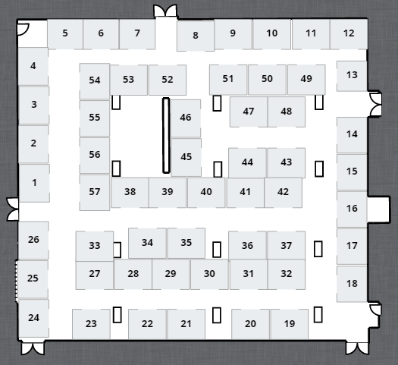
Alabama Association of Fire Chiefs: Annual Leadership Conference
Mattress
Safe
Fuller Fire & Safety
Town &
Country Ford
Morton
Builders
Channel
Innovations
AL Firefighters
Museum
Image
Trend
Brindless Mtn.
Fire figthers
Appartus
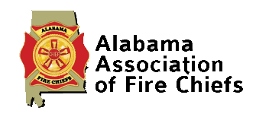 |  |  |  |  |  |  |  |  | 
 | Booth # | Company | Elec | WiFi | Ship | Other | Notes | Booth # | Company | Email | Elec | WiFi | Ship | Other | Notes
 | 1 | EEP |  |  |  |  |  | 31 | Municipal and Commerical Uniforms
 | 2 | EEP |  |  |  |  |  | 32 | Whelen Engineering Co.
 | 3 | EEP |  |  |  |  |  | 33 | Columbia University
 | 4 | Zoll Medical |  |  |  |  |  | 34 | Air Methods
Bluegrass
Uniforms
Harris
Communication
EMS
Billing
Southeastern Emergency
Equipment
M.A.C.
 | 5 | Donohoo Chevrolet |  |  |  |  |  | 35 | BullEx
Southern Linc
Wireless
Pinnacle
Network
 | 6 | Fuller Fire Safety |  |  |  |  |  | 36 | Site Med
 | 7 | Temple |  |  |  |  |  | 37 | MarineOne Corporation
DEC Fire
Water Restoration
Data
Equipment
 | 8 | Marine One |  |  |  |  |  | 38 | All/Comm Communications
EEP
 | 9 | Providance Occupational Health |  |  |  |  |  | 39 | NAFECO
TUV
Sheinland Ind
 | 10 | Bridnlee Mtn. Fire Apparatus |  |  |  |  |  | 40 | NAFECO
MES
Blauer
 | 11 | Hometown Publishing Promotions |  |  |  |  |  | 41 | NAFECO
 | 12 | Al. Law Enforcement Agency |  |  |  |  |  | 42 | Lion Apparell
 | 13 | Deep South Fire Trucks |  |  |  |  |  | 43 | Central Ala. Training Center
Workrite
Zoll
Medical Corp
Hazard Control
Technologies
 | 14 | Physio-Control |  |  |  |  |  | 44 | Central Ala. Training Center
Temple
 | 15 | Bonaventure Co |  |  |  |  |  | 45 | Firehousebeds
 | 16 | Innovapad |  |  |  |  |  | 46 | Foggy's Fog
Gulf Atlantic
Supply
Akron
Brass
Lion
Apparel
NAFECO
 | 17 | One Boat |  |  |  |  |  | 47 | DEC Fire Water Restoration
Deep South Fire Trucks
 | 18 | Industrial Air Purification |  |  |  |  |  | 48 | Terry's Uniforms
 | 19 | Southern Emergency Consultants |  |  |  |  |  | 49 | Ward Diesel Filter Systems
 | 20 | ESO Solutions |  |  |  |  |  | 50 | Southeastern Speciality Equipment
 | 21 | Sunbelt Fire |  |  |  |  |  | 51 | Southeastern Speciality Equipment
SiteMed
McCord
Communication
Columbia
Southern
University
1-800-Boardup
Sharp
Communication
 | 22 | Sunbelt Fire |  |  |  |  |  | 52 | WW. Williams
Air
Methods
Bonaveenture Fire & Safety
 | 23 | Sunbelt Fire |  |  |  |  |  | 53 | Alabama Fire College
 | 24 | Cardiac Solutions |  |  |  |  |  | 54 | Overnight Parts Allance
Ferrara
Fire
Stryker
Medical
Whelen
Engineering
Allcomm
Wireless
Provident
Excellance
Inc
 | 25 | AT&T |  |  |  |  |  | 55 | MES
 | 26 | Emergency Reporting |  |  |  |  |  | 56 | MES
22.1
AL Assn. of
Firefigther
Resrv Instr
 | 27 | Ferrara Fire Apparatus |  |  |  |  |  | 57 | MES

 | 28 | Southern Company |  |  |  |  |  | 58 | Emergency Reporting
 | 29 | ISO/Verisk Insurance Solutions |  |  |  |  |  | 59
Sunbelt
Fire
Bay Fire Products
Motorola
Solutions
 | 30 | Excellance

 |  |  |  |  |  |  |  |  | LF:
 |  |  |  |  |  |  |  |  | Alabama Academy of General Dentistry
 |  |  |  |  |  |  |  |  | Alabama Medicaid
 |  |  |  |  |  |  |  |  | Alabama School of Denistry Alumni Association
 |  |  |  |  |  |  |  |  | ALDA Council on Membership
 |  |  |  |  |  |  |  |  | Donated Dental Services
 |  |  |  |  |  |  |  |  | Holloway Credit Solutions
 |  |  |  |  |  |  |  |  | Nerium International

 | 1 | EEP
 | 2 | EEP
 | 3 | EEP
 | 4 | Zoll Medical
 | 5 | Donohoo Chevrolet
 | 6 | Fuller Fire Safety
 | 7 | Temple
 | 8 | Marine One
 | 9 | Providance Occupational Health
 | 10 | Bridnlee Mtn. Fire Apparatus
 | 11 | Hometown Publishing Promotions
 | 12 | Alabama Firefighters Museum
 | 13 | Deep South Fire Trucks
 | 14 | Physio-Control
 | 15 | Bonaventure Co
 | 16 | Innovapad
 | 17 | One Boat
 | 18 | Industrial Air Purification
 | 19 | Southern Emergency Consultants
 | 20 | ESO Solutions
 | 21 | Sunbelt Fire
 | 22 | Sunbelt Fire
 | 23 | Sunbelt Fire
 | 24 | Cardiac Solutions
 | 25 | AT&T
 | 26 | Emergency Reporting
 | 27 | Ferrara Fire Apparatus
 | 28 | Southern Company
 | 29 | ISO/Verisk Insurance Solutions
 | 30 | Excellance
 | 31 | Municipal and Commerical Uniforms
 | 32 | Whelen Engineering Co.
 | 33 | Columbia University
 | 34 | Air Methods
 | 35 | BullEx
 | 36 | Site Med
 | 37 | MarineOne Corporation
 | 38 | All/Comm Communications
 | 39 | NAFECO
 | 40 | NAFECO
 | 41 | NAFECO
 | 42 | Lion Apparell
 | 43 | Central Ala. Training Center
 | 44 | Central Ala. Training Center
 | 45 | Firehousebeds
 | 46 | Foggy's Fog
 | 47 | DEC Fire Water Restoration
 | 48 | Terry's Uniforms
 | 49 | Ward Diesel Filter Systems
 | 50 | Southeastern Speciality Equipment
 | 51 | Southeastern Speciality Equipment
 | 52 | WW. Williams
 | 53 | Alabama Fire College
 | 54 | Overnight Parts Allance
 | 55 | Harris Communications
 | 56 | MES
 | 57 | MES
 | 58 | Emergency Reporting
 | 59 | 0

 |  | Vendor
 | 34
 | 23 | Air Methods
 | 24 | Air Methods
 | 37 | Akron Brass
 | 22.1 | AL Assn off Firefighter Rsrv Instrs.
 | 12 | Alabama Firefighters Museum
 | 28 | Allcomm Wireless
 | 19 | Bay Fire Products
 | 13 | Blauer
 | 4 | Bluegrass Uniform
 | 16 | Bonaventure Fire & Safety
 | 17 | Bonaventure Fire & Safety
 | 10 | Brindlee Mtn.Fire Apparatus
 | 9 | Channel Innovations
 | 33 | Columbia Southern University
 | 46 | Data Equipment
 | 47 | DEC Fire Water Restoration
 | 15 | Deep South Fire Trucks
 | 1 | EEP
 | 2 | EEP
 | 3 | EEP
 | 51 | EMS Billing
 | 30 | Excellance Inc.
 | 25 | Ferrara Fire
 | 6 | Fuller Fire & Safety
 | 36 | Gulf Atlantic Supply
 | 52 | Harris Communications
 | 43 | Hazard Control Technologies
 | 11 | Image Trend
 | 38 | Lion Apparel
 | 12.1 | M.A.C.
 | 5 | Mattress Safe
 | 32 | McCord Communication
 | 54 | MES
 | 55 | MES
 | 56 | MES
 | 8 | Morton Builders
 | 18 | Motorla Solutions
 | 39 | NAFECO
 | 40 | NAFECO
 | 41 | NAFECO
 | 45.1 | Pinnacle Network
 | 29 | Provident
 | 35 | Sharp Communication
 | 31 | SiteMed
 | 48 | Southeastern Emergency Equipment
 | 49 | Southeastern Emergency Equipment
 | 50 | Southeastern Emergency Equipment
 | 53 | Southern Linc Wireless
 | 26 | Stryker Medical
 | 20 | Sunbelt Fire
 | 21 | Sunbelt Fire
 | 22 | Sunbelt Fire
 | 14 | Temple
 | 7 | Town & Country Ford
 | 45 | TUV Sheinland Ind.
 | 27 | Whelen Engineering
 | 44 | Workrite
 | 42 | Zoll Medical Corp.

Sign Booth
1

Alabama Association of Fire Chiefs
Annual Leadership Conference

EEP
 |  | EEP
 | 1
 | 1 | EEP | 0 | 0

 |  | #VALUE!

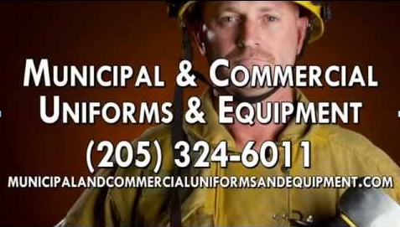

d

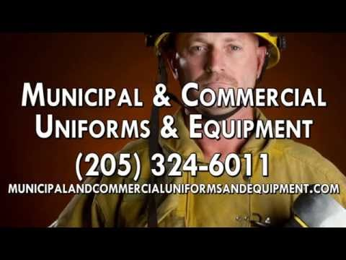

 |  |  |  | aa
 |  |  |  | 62
 |  |  |  | 47
 |  |  |  | 19
 |  |  |  | 61

Sign Door
EXHIBITIOR SETUP

EXHIBITIOR SETUP
Sunday- June 15th
1 PM to 5 PM

Sunday- June 15th

1 PM to 5 PM

 | 62
 | 47
 | 19
 | 61

